Graphs
Seasonally adjusted employment in persons, %
2017Q3 | 1.7
2017Q4 | 1.2
2018Q1 | 1.3
2018Q2 | 1.3
2018Q3 | 1.2
2018Q4 | 1.0
2019Q1 | 0.6
2019Q2 | 1.2
2019Q3 | 0.9
2019Q4 | 0.7
2020Q1 | -0.8
2020Q2 | -2.8
2020Q3 | 0.9
2020Q4 | 0.8
2021Q1 | 0.9
2021Q2 | -1.3
2021Q3 | 1.4
2021Q4 | 0.8
2022Q1 | 1.3
2022Q2 | -0.9
2022Q3 | 2.0
2022Q4 | 0.6
2023Q1 | 0.3

Seasonally adjusted hours worked, %

2017Q3 | 1.2
2017Q4 | 1.2
2018Q1 | 1.0
2018Q2 | 1.1
2018Q3 | 1.2
2018Q4 | 1.2
2019Q1 | 1.3
2019Q2 | 1.1
2019Q3 | 0.7
2019Q4 | 0.9
2020Q1 | -1.8
2020Q2 | -13.6
2020Q3 | 11.0
2020Q4 | -0.5
2021Q1 | 1.9
2021Q2 | -0.5
2021Q3 | 3.1
2021Q4 | 1.0
2022Q1 | 0.8
2022Q2 | 0.6
2022Q3 | 1.0
2022Q4 | 0.7
2023Q1 | 0.6

 | Quarterly employment by nationality
 | Cypriots | Europeans | Third Country Nationals
2017Q3 | 2.8 | -6.1 | 1.2
2017Q4 | 0.6 | -9.1 | 2.9
2018Q1 | 0.1 | 3.0 | -1.4
2018Q2 | 4.0 | 5.1 | 4.7
2018Q3 | 2.1 | -1.7 | -2.4
2018Q4 | -0.9 | 3.0 | 4.6
2019Q1 | 0.8 | -2.6 | 0.4
2019Q2 | -0.2 | 16.1 | 8.5
2019Q3 | -1.3 | 0.1 | 9.0
2019Q4 | 0.2 | 2.6 | 5.4
2020Q1 | -1.6 | -12.6 | 20.6
2020Q2 | -0.5 | 9.6 | -4.5
2020Q3 | -0.9 | -1.4 | 0.9
2020Q4 | 3.0 | -5.7 | -4.9
2021Q1 | -1.4 | -10.3 | 11.2
2021Q2 | 2.2 | 6.6 | 5.7
2021Q3 | 4.1 | 7.3 | -6.4
2021Q4 | 1.9 | -4.6 | -2.4
2022Q1 | -0.5 | 0.9 | 1.4
2022Q2 | -0.1 | 1.5 | 12.6
2022Q3 | -0.5 | 11.0 | 0.9
2022Q4 | 2.4 | -3.6 | -8.1
2023Q1 | -0.4 | -2.1 | 11.2

 | Beveridge curve 2019Q1-2023Q1
 | Unemployment and Vacancy Rate Percentage
2 | 8.8
1.7 | 6.5
2 | 6.7
1.3 | 6.3
2 | 7.3
1.2 | 6.8
1.7 | 8.2
1.3 | 8.0
2 | 8.6
2.6 | 8.4
2.4 | 6.6
2.4 | 6.3
3.2 | 6.6
2.7 | 6.8
2.2 | 6.8
1.9 | 6.9
2.8 | 6.8

 | Quarterly long term unemployment rate to labour force

 | 2017Q3
2017Q3 | 4.3
2017Q4 | 3.4
2018Q1 | 3.2
2018Q2 | 2.5
2018Q3 | 2.5
2018Q4 | 2.4
2019Q1 | 2.2
2019Q2 | 2.1
2019Q3 | 2.1
2019Q4 | 1.9
2020Q1 | 2.1
2020Q2 | 1.8
2020Q3 | 2.2
2020Q4 | 2.4
2021Q1 | 2.8
2021Q2 | 3.0
2021Q3 | 2.2
2021Q4 | 2.3
2022Q1 | 2.3
2022Q2 | 2.5
2022Q3 | 2.0
2022Q4 | 2.2
2023Q1 | 2.2

Yearly
 | 2013 | 2014 | 2015 | 2016 | 2017 | 2018 | 2019 | 2020 | 2021 | 2022

Employment SA (persons, Statistical Service) | -5.2 | -0.6 | -1.3 | 1.4 | 12.0 | 5.4 | 3.9 | -1.0 | 1.2 | 2.8

Employment SA (hours worked, Statistical Service) | -7.2 | -2.0 | 2.3 | 5.3 | 4.5 | 4.6 | 4.6 | -6.1 | 4.5 | 4.1

Employment by nationality % | 2013 | 2014 | 2015 | 2016 | 2017 | 2018 | 2019 | 2020 | 2021 | 2022
Cypriots | -3.3 | 1.8 | -1.6 | 1.4 | 4.2 | 6.8 | 1.4 | -2.2 | 4.5 | 3.7
Europeans | -18.2 | -14.2 | 6.3 | 12.0 | 5.1 | -2.9 | 12.9 | -3.1 | -6.4 | 8.2
Third Country Nationals | -1.9 | -3.7 | -7.0 | -13.4 | 8.2 | 6.3 | 17.1 | 27.7 | 6.6 | 5.2

 | 2013 | 2014 | 2015 | 2016 | 2017 | 2018 | 2019 | 2020 | 2021 | 2022
Vacancy rate | 0.4 | 0.7 | 0.9 | 1 | 1.1 | 1.4 | 1.7 | 1.6 | 2.3 | 2.5
Unemployment rate | 15.9 | 16.1 | 14.9 | 12.9 | 11.1 | 8.4 | 7.1 | 7.6 | 7.5 | 6.8

 | 2013 | 2014 | 2015 | 2016 | 2017 | 2018 | 2019 | 2020 | 2021 | 2022
Unemployed>12 months/labour force % | 6.1 | 7.7 | 6.8 | 5.8 | 4.5 | 2.7 | 2.1 | 2.1 | 2.5 | 2.3

Figure 1.1: SA employment in persons
Figure 1.2: Employment SA (hours worked, Statistical Service)

Figure 1.3: Employment by nationality
Figure 2.1 :Unemployment rate & vacancy rate

Figure 2.2 Unemployed >12 months/labour force

Flows
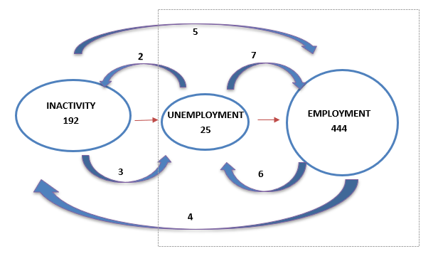
2022Q4 --> 2023Q1

